Mining
https://reinert.gmu.edu/files/pdfs/armingjpm.pdf
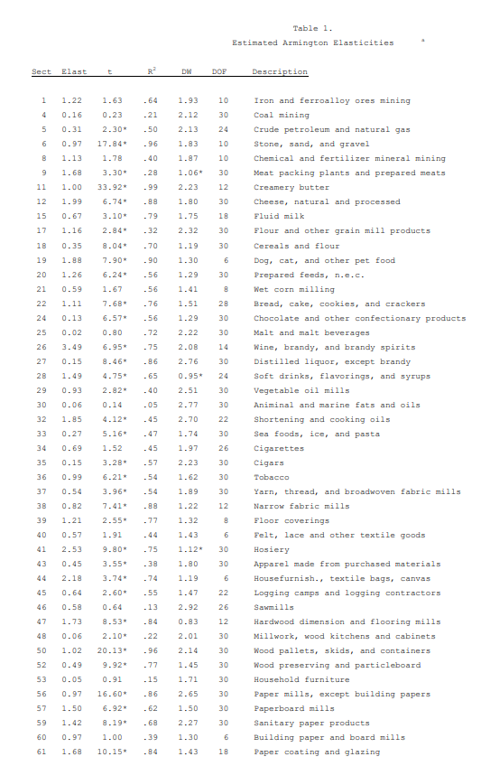

 | other mining and quarrying 07T08 | 1.22

